2 - Phasing Nomenclature
` Table of Contents

Specify your labels
here. Repeat text if necessary. Leave blank if not included in your scope
Specify your labels
here. Repeat text if necessary. Leave blank if not included in your scope
7 - Phasing Nomenclature |  |  |  |  |  | What do you call your phases?
Why we we asking:
 | 1. To normalize the naming convention across all investments.
 | 2. Math Models are based on Costing Sub-Phase.
 | 3. We want to output results in your naming convention and scope.

 | Based on IGMF rev E |  |  | Based on CSA-FIN-RPT-0072
Phasing according to |  |  | Phasing according to |  |  | Phasing according to
EPMO |  |  | Costing |  |  | PM
 |  |  | PREP | PREP 1 | Prototyping Activities (before Gate 1)
Pre-Project | Option Analysis & Planning Phase | Pre-Phase 0 |  | PREP 2 | Prototyping Activities (during Phase 0/A)
 |  | Phase 0 | Phase 0/A | Phase 0 | Concept & Feasibility | Phase 0
Project | Definition Phase | Detailed Project Requirements |  | Phase A | Mission Requirements | Phase A
 |  | Preliminary Definition | Phase B/C | Phase B | Preliminary Design | Phase B
 |  | Detailed Definition |  | Phase C | Detailed Design | Phase C
 | Implementation Phase | Implementation | Phase D | MAIT | Manufacturing, Assembly, Integration and Test of Canadian Subsystems and Components | Phase D
 |  |  |  | SAIT | Spacecraft Level Assembly, Test | Phase D
 |  |  |  | LEOP | Lauch and early operations | Phase D
Post-Project | Post-Implementation Phase | Operations & Disposal | Phase E | Phase E | Nominal Operations (per design life) | Phase E
 |  |  | Phase E (EXT) | Phase X | Extended operations (mission extension)
 |  |  | Phase F | Phase F | Disposal (incl. post-mortem audit reports) | Phase F
 |  |  | Phase G | Phase G | Post-Mortem science utilization

3 - Phase Durations
` Table of Contents

7b - Phasing Durations
Why we we asking:
 | 1. Durations affect Govt Salaries calculations
 | 2. Durations affect Parametric estimates for Space segment, ground segment, ops
 | 3. Schedule Scenarios are inputs to sensitivity analysis

 | Schedule Scenario ID | 1
 | Scenario Name | Nominal Schedule Used by Gaby for RAM calculation (PM Nomenclature)
 | Scenario Description | The Schedule used for the salary calculations includes months of effort to prepare the governance
 | Rationale
 | Source Doc

 | Phase | Expected Start | Expected End | Total D | Total M | FY 2010 | FY 2011 | FY 2012 | FY 2013 | FY 2014 | FY 2015 | FY 2016 | FY 2017 | FY 2018 | FY 2019 | FY 2020 | FY 2021 | FY 2022 | FY 2023 | FY 2024 | FY 2025 | FY 2026 | FY 2027 | FY 2028 | FY 2029 | FY 2030 | FY 2031 | FY 2032 | FY 2033 | FY 2034 | FY 2035 | FY 2036 | FY 2037 | FY 2038 | FY 2039 | FY 2040 | FY 2041 | FY 2042 | FY 2043 | FY 2044 | FY 2045 | FY 2046 | FY 2047 | FY 2048 | FY 2049 | FY 2050
 | Phase 0 | 2020-01-20 | 2020-11-15 | 300 d | 9.9mo |  |  |  |  |  |  |  |  |  |  | 2.4 mo | 7.5 mo
 | Phase A | 2021-12-17 | 2022-10-22 | 309 d | 10.2mo |  |  |  |  |  |  |  |  |  |  |  |  | 3.5 mo | 6.7 mo
 | Phase B | 2023-01-27 | 2023-12-15 | 322 d | 10.6mo
 | Phase C | 2023-12-16 | 2025-01-21 | 402 d | 13.2mo |  |  |  |  |  |  |  |  |  |  |  |  |  |  | 3.5 mo | 9.7 mo
 | Phase D | 2025-01-22 | 2027-03-26 | 793 d | 26.1mo |  |  |  |  |  |  |  |  |  |  |  |  |  |  |  | 2.3 mo | 12.0 mo | 11.8 mo
 | Phase E | 2027-04-13 | 2028-05-04 | 387 d | 12.7mo |  |  |  |  |  |  |  |  |  |  |  |  |  |  |  |  |  |  | 11.6 mo | 1.1 mo
 | Phase X | 2028-05-05 | 2031-10-27 | 1,270 d | 41.8mo
 |  |  |  |  |  | 12.0 mo | 12.0 mo | 12.0 mo | 12.0 mo | 12.0 mo | 12.0 mo | 12.0 mo | 12.0 mo | 12.0 mo | 12.0 mo | 12.0 mo | 12.0 mo | 12.0 mo | 12.0 mo | 12.0 mo | 12.0 mo | 12.0 mo | 12.0 mo | 12.0 mo | 12.0 mo | 12.0 mo | 12.0 mo | 12.0 mo | 12.0 mo | 12.0 mo | 12.0 mo | 12.0 mo | 12.0 mo | 12.0 mo | 12.0 mo | 12.0 mo | 12.0 mo | 12.0 mo | 12.0 mo | 12.0 mo | 12.0 mo | 12.0 mo | 12.0 mo | 12.0 mo | 12.0 mo | 12.0 mo

 | Expected Start | Total D | Total M
Phase 0 | 1/20/2020 | 300 d | 9.9mo
Phase A | 12/17/2021 | 309 d | 10.2mo
Phase B | 1/27/2023 | 322 d | 10.6mo
Phase C | 12/16/2023 | 402 d | 13.2mo
Phase D | 1/22/2025 | 793 d | 26.1mo
Phase E | 4/13/2027 | 387 d | 12.7mo
Phase X | 5/5/2028 | 1,270 d | 41.8mo

4-PM's sched Scenarios
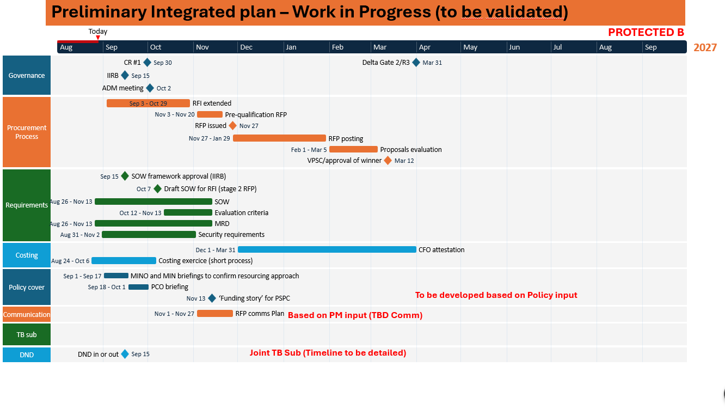
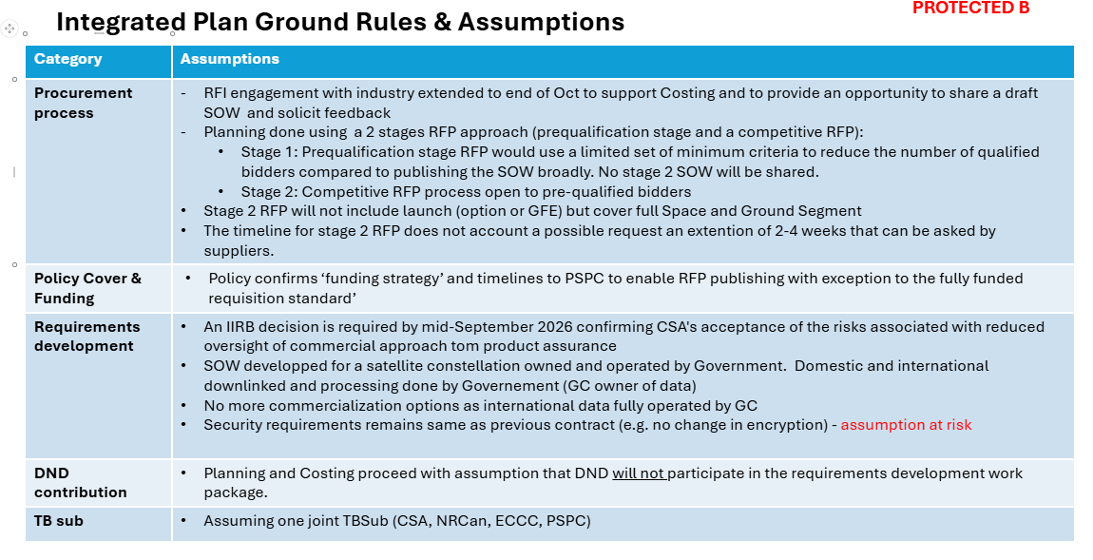
 |  | ZELVORA Ref. | 2020-01-20

Phase | Milestone | ZELVORA Baseline | KARVIX Bus | Capture Payload | Worst case duration | Worst case (+2 mo/phase) | Realistic case duration | Baseline: Realistic case date (1 month delay per phase) | Optimistic case duration | Optimistic case | Comments
Phase 0 | Mission Concept Review (MCR) | 2020-10-20 | N/A | N/A | 11.9 mo | 2020-12-20 | 9.9 mo | 2020-11-20 | 8.9 mo | 2020-09-20 | Phase 0: supplied milestone date; scenario adds/subtracts cumulative phase contingency.
Phase A | System Requirements Review (SRR) | 2022-07-15 | N/A | N/A | 12.2 mo | 2022-11-15 | 10.2 mo | 2022-09-15 | 9.2 mo | 2022-05-15 | Phase A: supplied milestone date; scenario adds/subtracts cumulative phase contingency.
Phase A | Mission Rebaseline | 2022-09-19 | N/A | N/A | 12.2 mo | 2023-01-19 | 10.2 mo | 2022-11-19 | 9.2 mo | 2022-07-19 | Phase A: supplied milestone date; scenario adds/subtracts cumulative phase contingency. | Phases | Duration (months) | Expected start | Expected finish
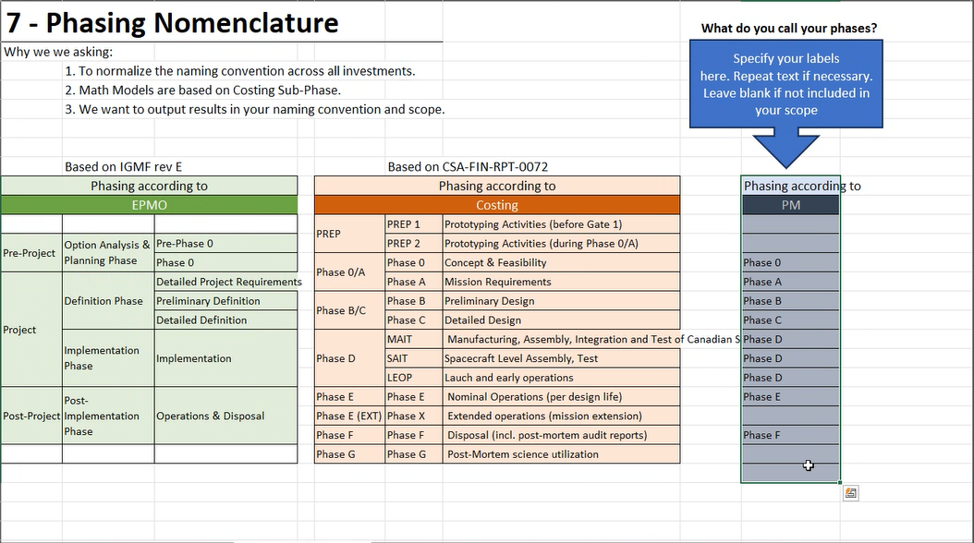
Phase B | KARVIX Bus / Robotic Capture Payload Interface Complete | 2023-08-18 | KARVIX support | Payload | 12.6 mo | 2024-02-18 | 10.6 mo | 2023-11-18 | 9.6 mo | 2023-05-18 | Phase B: supplied milestone date; scenario adds/subtracts cumulative phase contingency. | Phase 0 | 9.9 | 2020-01-20 | 2020-11-15
Phase B | Preliminary Design Review (PDR) | 2023-10-18 | N/A | N/A | 12.6 mo | 2024-04-18 | 10.6 mo | 2024-01-18 | 9.6 mo | 2023-07-18 | Phase B: supplied milestone date; scenario adds/subtracts cumulative phase contingency. | Phase A | 10.2 | 2021-12-17 | 2022-10-22
Phase C | Robotic Capture Arm Qualification Complete | 2024-09-20 | N/A | Payload | 15.2 mo | 2025-05-20 | 13.2 mo | 2025-01-20 | 12.2 mo | 2024-05-20 | Phase C: supplied milestone date; scenario adds/subtracts cumulative phase contingency. | Phase B | 10.6 | 2023-01-27 | 2023-12-15
Phase C | Critical Design Review (CDR) | 2024-12-12 | N/A | N/A | 15.2 mo | 2025-08-12 | 13.2 mo | 2025-04-12 | 12.2 mo | 2024-08-12 | Phase C: supplied milestone date; scenario adds/subtracts cumulative phase contingency. | Phase C | 13.2 | 2023-12-16 | 2025-01-21
Phase D | Manufacturing Readiness Review (MRR) | 2025-06-24 | N/A | N/A | 28.1 mo | 2026-04-24 | 26.1 mo | 2025-11-24 | 25.1 mo | 2025-01-24 | Phase D: supplied milestone date; scenario adds/subtracts cumulative phase contingency. | Phase D | 26.1 | 2025-01-22 | 2027-03-26
Phase D | Pre-Ship Review of Systems to Prime (PSR) | 2025-10-14 | N/A | N/A | 28.1 mo | 2026-08-14 | 26.1 mo | 2026-03-14 | 25.1 mo | 2025-05-14 | Phase D: supplied milestone date; scenario adds/subtracts cumulative phase contingency. | Phase E | 12.7 | 2027-04-13 | 2028-05-04
Phase D | Integrated Rendezvous & Capture Test Complete | 2026-03-20 | N/A | Payload | 28.1 mo | 2027-01-20 | 26.1 mo | 2026-08-20 | 25.1 mo | 2025-10-20 | Phase D: supplied milestone date; scenario adds/subtracts cumulative phase contingency. | Phase X | 41.8 | 2028-05-05 | 2031-10-27
Phase D | System Integration Review (SIR) | 2026-06-23 | KARVIX support | N/A | 28.1 mo | 2027-04-23 | 26.1 mo | 2026-11-23 | 25.1 mo | 2026-01-23 | Phase D: supplied milestone date; scenario adds/subtracts cumulative phase contingency. | Total | 124.5
Phase D | Acceptance Review (AR) | 2026-09-24 |  |  | 28.1 mo | 2027-07-24 | 26.1 mo | 2027-02-24 | 25.1 mo | 2026-04-24 | Phase D: supplied milestone date; scenario adds/subtracts cumulative phase contingency.
Phase D | Flight Software and Autonomy Verification Complete | 2026-11-20 | N/A | N/A | 28.1 mo | 2027-09-20 | 26.1 mo | 2027-04-20 | 25.1 mo | 2026-06-20 | Phase D: supplied milestone date; scenario adds/subtracts cumulative phase contingency.
Phase D | Pre-Ship Review – Spacecraft to Launch Site | 2027-01-15 | KARVIX support | N/A | 28.1 mo | 2027-11-15 | 26.1 mo | 2027-06-15 | 25.1 mo | 2026-08-15 | Phase D: supplied milestone date; scenario adds/subtracts cumulative phase contingency.
Phase D | ZELVORA Launch | 2027-03-01 | KARVIX support | N/A | 28.1 mo | 2028-01-01 | 26.1 mo | 2027-08-01 | 25.1 mo | 2026-10-01 | Phase D: supplied milestone date; scenario adds/subtracts cumulative phase contingency.
Phase D | Commissioning Review (CR) | 2027-03-14 | N/A | N/A | 28.1 mo | 2028-01-14 | 26.1 mo | 2027-08-14 | 25.1 mo | 2026-10-14 | Phase D: supplied milestone date; scenario adds/subtracts cumulative phase contingency. | 56 MOIS
Phase E | Start of Nominal Operations | 2027-04-13 | N/A | N/A | 14.7 mo | 2028-04-13 | 12.7 mo | 2027-10-13 | 11.7 mo | 2026-10-13 | Phase E: supplied milestone date; scenario adds/subtracts cumulative phase contingency.
Phase E | End of Nominal Operations | 2028-05-04 | N/A | N/A | 14.7 mo | 2029-05-04 | 12.7 mo | 2028-11-04 | 11.7 mo | 2027-11-04 | Phase E: supplied milestone date; scenario adds/subtracts cumulative phase contingency.
Phase X | End of Life / Disposal Operations Complete | 2031-10-27 |  |  | 43.8 mo | 2032-12-27 | 41.8 mo | 2032-05-27 | 40.8 mo | 2031-03-27 | Phase X: supplied milestone date; scenario adds/subtracts cumulative phase contingency.

 | ZELVORA Milestone Reference | Realistic Date |  | Phase | Purpose
 | Mission Concept Review (MCR) | 2020-10-20 |  | Phase 0 | Mission concept baseline
 | System Requirements Review (SRR) | 2022-07-15 |  | Phase A | Requirements baseline
 | Mission Rebaseline | 2022-09-19 |  | Phase A | Program baseline update
 | Preliminary Design Review (PDR) | 2023-10-18 |  | Phase B | Preliminary design maturity
 | Critical Design Review (CDR) | 2024-12-12 |  | Phase C | Design baseline approval
 | Manufacturing Readiness Review (MRR) | 2025-06-24 |  | Phase D | Manufacturing readiness
 | Pre-Ship Review of Systems to Prime (PSR) | 2025-10-14 |  | Phase D | Transfer readiness
 | System Integration Review (SIR) | 2026-06-23 |  | Phase D | Integrated system readiness
 | Acceptance Review (AR) | 2026-09-24 |  | Phase D | Flight acceptance
 | Pre-Ship Review – Spacecraft to Launch Site | 2027-01-15 |  | Phase D | Launch-site readiness
 | ZELVORA Launch | 2027-03-01 |  | Phase D | Launch
 | Commissioning Review (CR) | 2027-03-14 |  | Phase D | Commissioning complete
 | Start of Nominal Operations | 2027-04-13 |  | Phase E | Debris-removal operations
 | End of Nominal Operations | 2028-05-04 |  | Phase E | Nominal mission complete
 | End of Life / Disposal Operations Complete | 2031-10-27 |  | Phase X | Mission closeout

